Cover Page
STRICTLY FOR PIAS' FA REPRESENTATIVES REFERENCE ONLY
(NOT FOR CIRCULATION TO PROSPECTS OR CLIENTS)



Standalone CI Placemat
(Early / Intermediate / Advanced)

Overview & Important Notes
Standalone Critical Illness
Important Notes: 1. This insurance product comparsion has been produced by Propel Product Management on behalf of PIAS, and is solely meant for FA Representatives of PIAS as a quick reference and not meant to be reproduced in any manner. 2. The product comparison encompasses only relevant approved products by PIAS only. It is an overview of similar product category based on prescribed age and for standard lives. 3. The information is obtained from the latest policy illustrations and product information provided by the relevant life insurance product providers. PIAS and Propel shall not be liable for any damages, or in any other way whatsoever, for errors of fact on the placemat and no warranty or representation is given to this effect. In the event of any discrepancy, the insurance product provider’s authorized documents shall apply. 4. This product comparison is not meant to be construed as an offer or solicitation by FA Representatives for the purchase of any life insurance plan nor is it meant for switching from one product to another which may be detrimental to prospects or clients. FA Representatives are to undertake a proper fact-find and risk profiling analysis with customers to provide each prospect or client with quality advice and appropriate recommendations based on the prospects’ or clients’ investment objectives, financial situation and particular needs.
5. This information is from all providers of PIAS and is accurate as of 07 March 2025
Features Overview
Plan Type | Multipay |  |  |  | ECI plans
Plan Name | Singlife Multipay Critical Illness | Manulife Early CompleteCare (Deluxe) | Income Complete Critical Protect (Protect Max) | Tokio Marine MultiCare | Singlife Comprehensive Critical Illness | Singlife Big 3 Critical Illness | Manulife Early CompleteCare (Classic) | Income Complete Critical Protect (Protect 100) | China Taiping i-Care | Tokio Marine TM EarlyCover | Etiqa Essential critical secure
For full product features comparison, refer to 'Feature' tab or click here.
Age Basis | ANB | ALB | ALB | ANB | ANB | ANB | ALB | ALB | ANB | ANB | ANB
Policy Term | 10 years to age 99 (yearly interval) | Up to age 65, 75 or 85 | Up to Age 64, 74, 84, 100 last birthday | Up to age 70, 75 or 85 | 10 years to age 99 (yearly interval) | 10 years to age 99 (yearly interval) | To age 65: 16 - 55 | Up to Age 64, 74, 84, 100 last birthday | Up to age 75, 85 or 99 | Up to age 70, 75, 85 | Up to age 70,75, 80, 85, 90, 95, 100
ECI conditions | 72 | 70 | 66 | 69 | 72 | 24 | 70 | 66 | 82 | 69 | 67
Advanced Stage CI conditions | 60 | 56 | 55 | 40 | 60 | 60 | 56 | 55 | 55 | 40 | 37
Total ECI and CI conditions | 132 | 126 | 121 | 109 | 132 | 84 | 126 | 121 | 137 | 109 | 104
Max Possible Claims (% of SA) | 1060% | 980% | 1310% | 900% | 260% | 240% | 240% | 410% | 100% | 200% | 300%
Special Conditions | 16 | 10 | 17 | 10 | 16 | 1 | 10 | 17 | 12 | 10 | N.A.
Juvenile Conditions | 11 | 13 | 17 | 10 | 11 | N.A. | 13 | 17 | 12 | 10 | N.A.
Other Benefits | (i) Recurrent Critical Illness (ii) Intensive Care Benefit (iii) Benign and Borderline Malignant Tumour Benefit (iv) Advance Care Option | (i) Cover Me Again Benefit (ii) Recurring / Relapse Major CI Benefi (iii) Continuous Cancer Income Option (iv) Recovery Care Plus Benefit (v) Serious Illness of a Child Benefit | (i) Recurrent Benefit (ii) Vital Function Benefit (iii) Critical Impact Benefit (ICU) (iv) Therapy Support Benefit (v) Guaranteed Post-DD Cover Option | (i) Juvenile Waiver benefit | (i) Intensive Care Benefit (ii) Benign and Borderline Malignant Tumour Benefit | (i) Intensive Care Benefit | (i) Recovery Care Plus Benefit (ii) Serious Illness of a Child Benefit | (i) Vital Function Benefit (ii) Critical Impact Benefit (ICU) (iii) Therapy Support Benefit (iv) Guaranteed Post-DD Cover Option | (i) Convertibility Option | (i) Premium Waiver Benefit | (i) Mental Health Benefit (ii) Continuous Care Benefit (iii) Premium Waiver Benefit for Early and Intermediate Stage CI
Death | ✔️ | ✔️ | ✔️ | ✔️ | ✔️ | ✔️ | ✔️ | ✔️ | ✔️ | ✔️ | ✔️

Product Structure
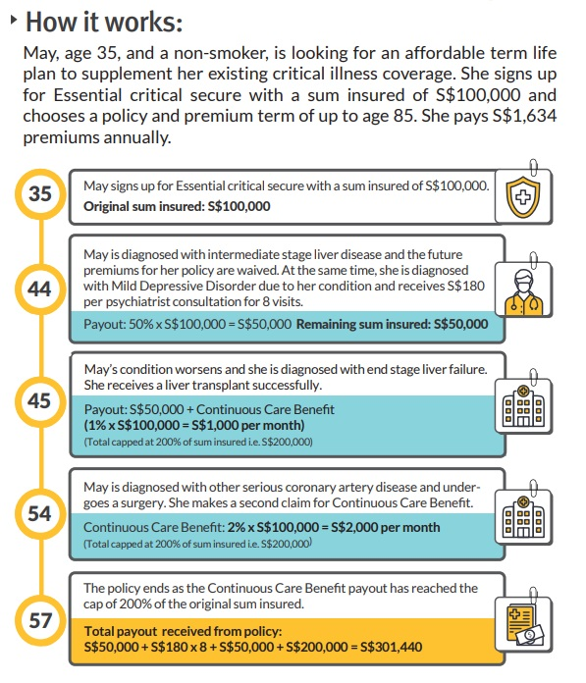
Singlife Multipay Critical Illness

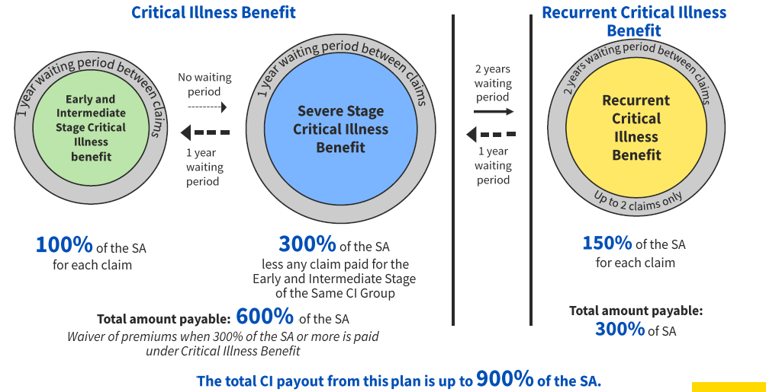

Manulife Early CompleteCare (Classic/Deluxe)
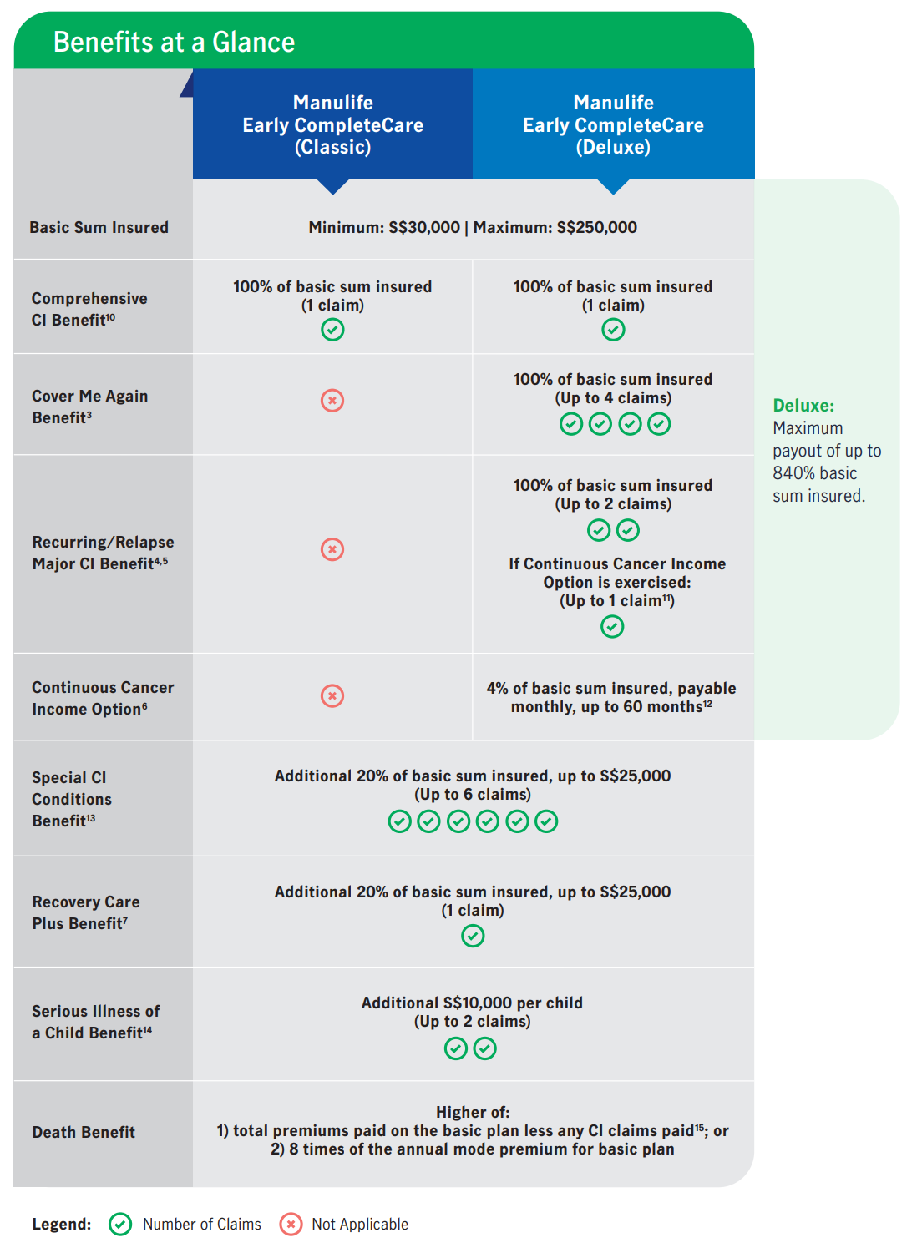
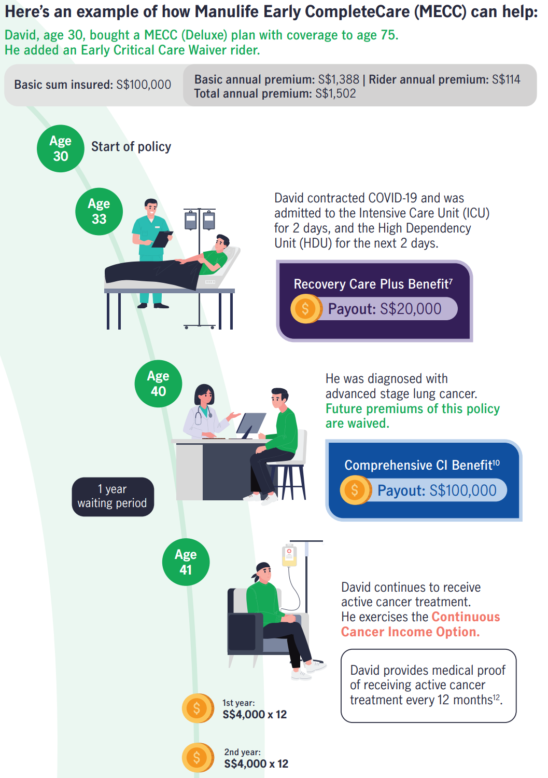
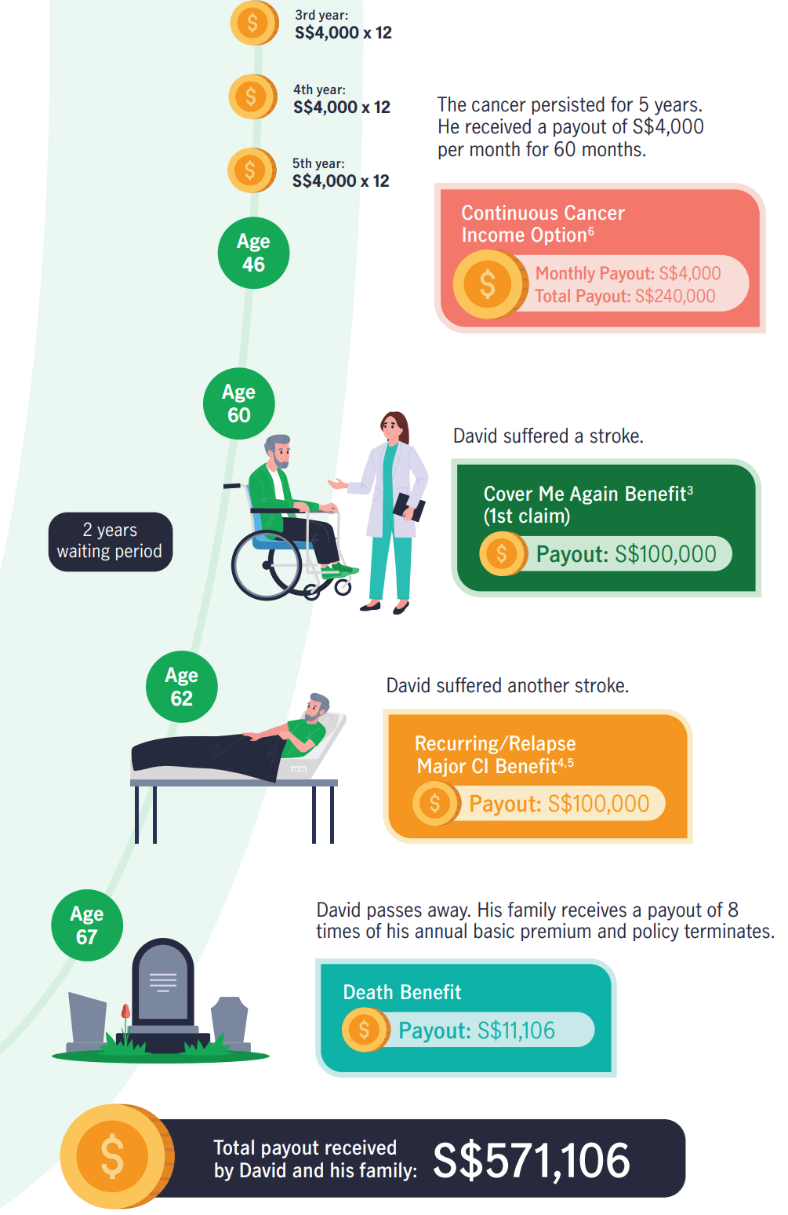

 | Z

TM MultiCare

Singlife Big 3 Critical Illness

Income Complete Critical Protect

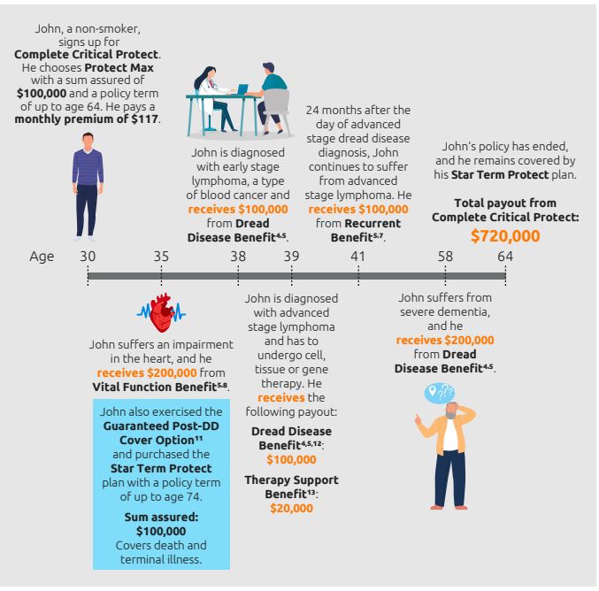

Etiqa Essential Critical Secure

Features
Back
Features and Comparison Strictly for PIAS' FA Representatives reference only (Not for circulation to Prospects or Clients)
Multi Claim CI Plans |  |  |  |  | Early CI Plans
Features/Product | Singlife | Manulife | Income | Tokio Marine | Singlife | Singlife | Manulife | Income | China Taiping | Tokio Marine | Etiqa
Product Name | Singlife Multipay Critical Illness | Manulife Early CompleteCare (Deluxe) | Income Complete Critical Protect (Protect Max) | Tokio Marine MultiCare | Singlife Comprehensive Critical Illness | Singlife Big 3 Critical Illness | Manulife Early CompleteCare (Classic) | Income Complete Critical Protect (Protect 100) | China Taiping i-Care | Tokio Marine TM EarlyCover | Etiqa Essential critical secure
Age Basis | ANB | ALB | ALB | ANB | ANB | ANB | ALB | ALB | ANB | ANB | ANB
Policyholder Entry Age | 17 - 99 | 16 - 99 | 16 - NA | 19 - 85 | 17 - 99 | 17 - 99 | 16 - 99 | 16 - NA | 19 - NA (No max entry age for PH as long as underwriting criterias are satisfied) | 19 - 85 | 17 – 100
Life Assured Entry Age (3rd Party) | 1 - 60 | To age 65: 0 (15days old) - 55 To age 75/85: 0 (15days old) - 65 | 0 (15days old) - 17 | 1 -65 | 1 - 65 | 1 - 65 | To age 65: 0 (15days old) - 55 | 0 (15days old) - 17 | 1 (30 days old) - 60 | 1 -65 | To age 70: 17 – 60 To age 75: 17 – 65 To age 80, 85, 90, 95 & 100: 17 -70
Life Assured Entry Age (1st Party) | 17 - 60 | To age 65: 16 - 55 To age 75/85: 16 - 65 | To age 64: 18 - 54 To age 74, 84, 100: 18 - 64 | 19 - 65 | 17 - 65 | 17 - 65 | To age 75/85: 0 (15days old) - 65 | To age 64: 18 - 54 To age 74, 84, 100: 18 - 64 | 18 - 60 | 19 - 65 | To age 70: 1 – 60 To age 75: 1 – 65 To age 80, 85, 90, 95 & 100: 1 -70
Policy Term | 10 years to age 99 (yearly interval) | Up to age 65, 75 or 85 | Up to Age 64, 74, 84, 100 last birthday | Up to age 70, 75 or 85 | 10 years to age 99 (yearly interval) | 10 years to age 99 (yearly interval) | To age 65: 16 - 55 | Up to Age 64, 74, 84, 100 last birthday | Up to age 75, 85 or 99 | Up to age 70, 75, 85 | Up to age 70,75, 80, 85, 90, 95, 100
Currency | SGD, USD, GBP, EUR, AUD and HKD | SGD | SGD | SGD | SGD, USD, GBP, EUR, AUD and HKD | SGD, USD, GBP, EUR, AUD and HKD | SGD | SGD | SGD | SGD | SGD
Early Stage | - Pays 100% of SA for each claim - Total amount payable 600% of sum assured (claim up to 6x provided that the 6 claims are from 6 different CI groups) - One claim is allowed for the Early and Intermediate Stage of each CI Group covered - 1 year waiting period between claims - Waiver of premiums when 300% of the Sum Assured or more is paid under the Critical Illness Benefit | - Up to $250,000 - 35 Conditions | - Pays 100% of SA for Early, Intermediate or Severe Stage Critical Illnesses up to $350,000 (maximum of 6 claims up to S$1.05 million) | - Up to $350,000 - 2 claims from different group | - Pays 100% of SA for Early, Intermediate or Severe Stage Critical Illnesses up to $250,000 | Big 3 Benefit - Pays 200% of SA for Early, Intermediate stage of Cancer, Heart Attack, Stroke and 13 other specific heart and neurological conditions up to $350,000 | - Up to $250,000 - 35 Conditions | - Pays 100% of SA for Early, Intermediate or Severe Stage Critical Illnesses up to $350,000 | - Up to $350,000 - 42 conditions | - max $350K per condition - 37 Conditions | - Pays 50% of SA up to $350,000 - 34 conditions
Intermediate Stage |  | - Up to $250,000 - 35 Conditions |  |  |  |  | - Up to $250,000 - 35 Conditions |  | - Up to $350,000 - 40 conditions | - max $350K per condition - 32 Conditions | - Pays 50% of SA up to $350,000 - 33 conditions
ECI conditions | 72 | 70 | 66 | 69 | 72 | 24 | 70 | 66 | 82 | 69 | 67
Advanced Stage CI | - Severe Stage CI covers 60 CI - Pays 300% SA minus claims paid on Early/Intermediate Stage of the same CI group - Total amount payable 300% of sum assured (claim up to 2x provided that the 2 claims are from 2 different CI groups) - One claim is allowed for the Severe stage of each CI Group covered - No waiting period from the Early or Intermediate Stage Critical Illness claim admitted under Early and Intermediate Stage Critical Illness Benefit to the Diagnosis Date of any Severe Stage Critical Illnesses covered under Severe Stage Critical Illness Benefit. | - 100% of basic sum insured - 56 Conditions (36 Conditions + 20 extended advance stage CIs) | - Pays 200% of SA less claim paid for Early stage and/or intermediate stage dread disease of the same dread disease and Vital function benefit of the corresponding dread disease - 55 conditions | - Up to 300% basic sum assured - 2 claims from different groups - 40 conditions - Major cancer entitled 2 claims, 100% basic sum assured per claim | - Pays 100% of SA for Early, Intermediate or Severe Stage Critical Illnesses up to $250,000 - 60 conditions | Big 3 Benefit - Pays 200% of SA for Severe stage of Cancer, Heart Attack, Stroke and 13 other specific heart and neurological conditions up to $350,000 - 16 conditions Other Severe Stage CI Benefit - Pays 100% of SA for Severe Stage conditions of other nature up to $350,000 - 44 conditions Total 60 conditions covered | - 100% of basic sum insured - 56 Conditions (36 Conditions + 20 extended advance stage CIs) | - Pays 100% of SA for Severe Stage Critical Illnesses less claim paid for: - Early stage and/or intermediate stage dread disease of the same dread disease; and - Vital function benefit of the corresponding dread disease - 55 conditions | - 100% of SA - 55 conditions - 10% (up to $25K) for Angioplasty | - 100% of SA - 40 Conditions - 10% (up to $25K) for Angioplasty | 100% of SA less claims paid for Angioplasty & Other Invasion Treatment for Coronary Artery, Early and Intermediate stage CI - Pays 10% (up to $25K) for Angioplasty and Other Invasive Treatment for Coronary Artery - 37 conditions
Advanced Stage CI conditions | 60 | 56 | 55 | 40 | 60 | 60 | 56 | 55 | 55 | 40 | 37
Total ECI and CI conditions | 132 | 126 | 121 | 109 | 132 | 84 | 126 | 121 | 137 | 109 | 104
Max Possible Claims (% of SA) | 1060% | 980% | 1310% | 900% | 260% | 240% | 240% | 410% | 100% | 200% | 300%
Other Benefits | (i) Recurrent Critical Illness (ii) Intensive Care Benefit (iii) Benign and Borderline Malignant Tumour Benefit (iv) Advance Care Option | (i) Cover Me Again Benefit (ii) Recurring / Relapse Major CI Benefi (iii) Continuous Cancer Income Option (iv) Recovery Care Plus Benefit (v) Serious Illness of a Child Benefit | (i) Recurrent Benefit (ii) Vital Function Benefit (iii) Critical Impact Benefit (ICU) (iv) Therapy Support Benefit (v) Guaranteed Post-DD Cover Option | (i) Juvenile Waiver benefit | (i) Intensive Care Benefit (ii) Benign and Borderline Malignant Tumour Benefit | (i) Intensive Care Benefit | (i) Recovery Care Plus Benefit (ii) Serious Illness of a Child Benefit | (i) Vital Function Benefit (ii) Critical Impact Benefit (ICU) (iii) Therapy Support Benefit (iv) Guaranteed Post-DD Cover Option | (i) Convertibility Option | (i) Premium Waiver Benefit | (i) Mental Health Benefit (ii) Continuous Care Benefit (iii) Premium Waiver Benefit for Early and Intermediate Stage CI
Other Benefits - Coverage | (i) Recurrent Critical Illness - 150% of Sum Assured will be payable if life assured is diagnosed with any one of the specified severe stage critical illnesses covered under this benefit. - A maximum of 2 claims is allowed (maximum claim of 300% of the Sum Assured) - 2 years of waiting period if the Diagnosis Date of any of the specified Severe Stage Critical Illnesses or Recurrent Critical Illnesses covered under this benefit occurs - Total of 6 recurrent CIs are covered (ii) Intensive Care Benefit (due to An Illness or Accident (upon ICU stay of 4 days or more in one hospital admission for Necessary Medical Treatment) - Additional 20% of the Sum Assured, capped at $25K per life (1 claim only) (iii) Benign and Borderline Malignant Tumour Benefit - Additional 20% of the Sum Assured, capped at $25K per life (1 claim only) (iv) Advance Care Option - Additional 100% of the Sum Assured will be payable on top of the Severe Stage Critical Illness Benefit claim payable under the Critical Illness Benefit and the Recurrent Critical Illness Benefit shall cease. - Option is available if Life Assured is diagnosed with any one of the eligible Severe Stage Critical Illnesses and the claim is the first Severe Stage Critical Illness Benefit claim made under the Critical Illness Benefit. | (i) Cover Me Again Benefit - Covers another CI condition, up to 4 claims; (ii) Recurring / Relapse Major CI Benefit - Covers repeated advanced stage CI of 6 conditions, up to 2 claims; (iii) Continuous Cancer Income Option - Covers Advanced Stage Major Cancer with active cancer treatment or palliative care; - 4% Sum Insured payable monthly, up to 60 months; - applicable if recurring/relapse major CI benefit has not been fully claimed. (iv) Recovery Care Plus Benefit - Upon 4 consecutive days in the Intensive Care Unit (“ICU”) or ICU and High Dependency Unit (“HDU”) in 1 hospital admission - 20% Sum Insured, up to S$25k (payable once) - Payable in addition to the advanced stage CI benefit/comprehensive CI Benefit if the ICU or HDU admission is due to any comprehensive CI (v) Serious Illness of a Child Benefit - Total of 36 advanced stage CI are covered - A lump sum amount of $10k per child, up to $20,000 per policy will be payable - Payment of this benefit will not reduce the current sum insured of the policy. - Age of child must be 30 days - ALB17 when diagnosis was done | Recurrent Benefit - 100% of SA will be paid if the Insured is diagnosed with a recurrent condition during the term of the policy (Maximum of 3 claims) Vital Function Benefit - 200% of SA less claim paid for early stage and/or intermediate stage dread disease if the insured is diagnosed with an impairment of heart, lungs or kidneys by a specialist during the term of the policy Critical Impact Benefit (ICU) - 20% of the SA will be paid if the insured undergoes surgery or suffers an infection before reaching age 85 last birthday and requires a stay in an intensive care unit (ICU) for a total of 4 days or more in one hospital admission Therapy Support Benefit - 20% of the SA will be paid if the insured is diagnosed by a specialist to undergo any of the therapy (Cell, Tissue or Gene Therapy / Proton Beam Therapy) during the term of the policy, Guaranteed Post-DD Cover Option - A new term policy covering the insured may be taken up with only death and terminal illness benefits without medical underwriting upon diagnosis of the insured with an advanced stage dread disease covered under dread disease benefit or an impairment covered under vital function benefit. | - Juvenile Waiver benefit | (i) Intensive Care Benefit (due to An Illness or Accident (upon ICU stay of 4 days or more in one hospital admission for Necessary Medical Treatment) - Additional 20% of the Sum Assured, capped at $25K per life (1 claim only) (ii) Benign and Borderline Malignant Tumour Benefit - Additional 20% of the Sum Assured, capped at $25K per life (1 claim only) | Intensive Care Benefit (due to an Illness or accident (upon ICU stay of 4 days or more in one hospital admission for Necessary Medical Treatment) - Additional 20% of the Sum Assured, capped at $25K per life (1 claim only) - The coverage of benefit is up to 85 ANB or upon the expiry of the plan, whichever is earlier. | (i) Recovery Care Plus Benefit (applicable to Classic & Deluxe) - Upon 4 consecutive days in the Intensive Care Unit (“ICU”) or ICU and High Dependency Unit (“HDU”) in 1 hospital admission - 20% Sum Insured, up to S$25k (payable once) - Payable in addition to the advanced stage CI benefit/comprehensive CI Benefit if the ICU or HDU admission is due to any comprehensive CI (ii) Serious Illness of a Child Benefit (applicable to Classic & Deluxe) - Total of 36 advanced stage CI are covered - A lump sum amount of $10k per child, up to $20,000 per policy will be payable - Payment of this benefit will not reduce the current sum insured of the policy. - Age of child must be 30 days - ALB17 when diagnosis was done | Vital Function Benefit - 100% of Sum assured less claim paid for early stage and/or intermediate stage dread disease if the insured is diagnosed with an impairment of heart, lungs or kidneys by a specialist during the term of the policy Critical Impact Benefit (ICU) - 20% of the sum assured will be paid if the insured undergoes surgery or suffers an infection before reaching age 85 last birthday and requires a stay in an intensive care unit (ICU) for a total of 4 days or more in one hospital admission Therapy Support Benefit - 20% of the sum assured will be paid if the insured is diagnosed by a specialist to undergo any of the therapy (Cell, Tissue or Gene Therapy / Proton Beam Therapy) during the term of the policy, Guaranteed Post-DD Cover Option - A new term policy covering the insured may be taken up with only death and terminal illness benefits without medical underwriting upon diagnosis of the insured with an advanced stage dread disease covered under dread disease benefit or an impairment covered under vital function benefit. | Convertibility Option Allows the policy owner to convert i-Care policy (“original policy”) to a new endowment, whole-life or investment-linked policy from China Taiping with or without critical illness benefit (“new policy”) which China Taiping makes available at the time of conversion, without further evidence of insurability of the life insured, subjected to conditions set by China Taiping | - Premium Waiver Benefit | (i) Mental Health Benefit Mild Mental Health Benefit - $180 will be paid for each psychiatrist consultation, up to 8 claims ($1,440) when life assured is diagnosed with covered mild mental condition. - 2 mild mental conditions covered Severe Mental Health Benefit - Accelerated 20% of the Sum Assured, up to $25K, will be paid when life assured is diagnosed with a covered severe mental health condition. - 5 severe mental conditions covered (ii) Continuous Care Benefit - Monthly cash payout when the life assured is diagnosed with covered severe stage Cis and future premiums waived - First claim: 1% of SA paid monthly - Second claim: another 1% of SA paid monthly - maximum 2 claims and up maximum payable amount of 200% of the original Sum Assured. (iii) Premium Waiver Benefit for Early and Intermediate Stage CI - Upon a successful claim of a covered early or intermediate stage CI under the Early and Intermediate Stage CI Benefit, all future premiums for this policy will be waived starting from the next premium due date immediately after the date of diagnosis of the early or intermediate stage CI
Special Conditions/ Juvenile Conditions coverage | Special Benefit - Additional 20% of SA, max $25K per life per condition (maximum of 6 claims) - Total 16 Conditions available, including angioplasty - Coverage up to a max. age of 85 or upon policy expiry, whichever is earlier Juvenile conditions - Additional 20% of SA, max $25K per life per condition - Total 11 Juvenile Conditions up to age 18 or upon policy expiry, whichever is earlier Note: - Each condition can only be paid once and a maximum of 6 claims - No waiting period between each Special Benefit claim | Special CI Conditions Benefit (applicable to Classic and Deluxe) - Additional 20% of SA, max $25K per life per condition - Available up to age 85 - Total 10 Conditions available - Includes Angioplasty Juvenile conditions - Additional 20% of SA, max $25K per life per condition - Total 13 Juvenile Conditions up to 18 ALB Note: - Each condition can only be paid once - Maximum of 6 claims can be made - Payment of this benefit will not reduce the current sum insured of this policy | Special Benefit - Additional 20% of SA, max $25K per life per condition for angioplasty and Benign Tumour and Borderline Malignant Tumour. - Additional 30% of SA, max $30K per life per condition for the other 15 conditions - Total 17 Conditions available - Coverage up to a max. age of 85 Juvenile conditions - Additional 20% of SA, max $30K per life per condition - Total 17 Juvenile Conditions up to age 18 Note: - Each condition can only be paid once, and a maximum of 5 claims - No waiting period between Special Conditions claims | Special Benefit - Additional 20% of SA, max $25K per condition - Total 10 Conditions available - Includes Angioplasty - Maximum of 5 conditions claimed per policy Juvenile conditions - Additional 20% of SA, max $25K per condition - Total 10 Juvenile Conditions up to 18 ANB - Maximum of 5 Juvenile conditions claimed per policy | Special Benefit - Additional 20% of SA, max $25K per life per condition - Total 16 Conditions available, including angioplasty - Coverage up to a max. age of 85 Juvenile conditions - Additional 20% of SA, max $25K per life per condition - Total 11 Juvenile Conditions up to age 18 Note: - Each condition can only be paid once, and a maximum of 6 claims - No waiting period between Special Conditions claims | Special Benefit - Additional 20% of SA, max $25K per life per condition - Only covers Angioplasty & Other Invasive Treatment for Coronary Artery - Coverage up to a max. age of 85 | Special CI Conditions Benefit - Additional 20% of SA, max $25K per life per condition - Available up to age 85 - Total 10 Conditions available - Includes Angioplasty Juvenile conditions - Additional 20% of SA, max $25K per life per condition - Total 13 Juvenile Conditions up to 18 ALB Note: - Each condition can only be paid once - Maximum of 6 claims can be made - Payment of this benefit will not reduce the current sum insured of this policy | Special Benefit - Additional 20% of SA, max $25K per life per condition for angioplasty and Benign Tumour and Borderline Malignant Tumour. - Additional 30% of SA, max $30K per life per condition for the other 15 conditions - Total 17 Conditions available - Coverage up to a max. age of 85 Juvenile conditions - Additional 20% of SA, max $30K per life per condition - Total 17 Juvenile Conditions up to age 18 Note: - Each condition can only be paid once, and a maximum of 5 claims - No waiting period between Special Conditions claims | Special Benefit - Additional 20% of SA, max $25K per life per condition - Total 12 Conditions available Juvenile Benefit - Additional 20% of SA, max $25K per life per condition - Total 12 Juvenile Conditions up to age 19ANB Note: - Each condition can only be paid once, and a maximum of 5 claims for each benefit - No waiting period not applicable Special Conditions and Juvenile Benefit | Special Benefit - Additional 20% of original SA, max $25K per condition - Claim up to 5 conditions - Total 10 Conditions available Juvenile Benefit - Additional 20% of original SA, up to $25K per condition - Claim up to 5 juvenile conditions Total 10 Juvenile Conditions up to 19ANB | NA
Special Conditions | 16 | 10 | 17 | 10 | 16 | 1 | 10 | 17 | 12 | 10 | N.A.
Juvenile Conditions | 11 | 13 | 17 | 10 | 11 | N.A. | 13 | 17 | 12 | 10 | N.A.
Death | Yes ($5,000) | Yes (The higher of 100% of total premium paid to date on the basic policy less any CI claims paid or 8 times of the annual mode premium of the basic policy) | Yes ($10,000) | Yes (10% of basic of basic sum assured) | Yes ($5,000) | Yes ($5,000) | Yes (The higher of 100% of total premium paid to date on the basic policy less any CI claims paid or 8 times of the annual mode premium of the basic policy) | Yes ($10,000) | Yes (100% of SA) | Yes ($20,000) | Yes ($5,000)
Survival / Waiting Period | Survival Period: 7 days Under the Critical Illness Benefit (1) There is no waiting period from an Early and Intermediate Stage CI Benefit claim to a Severe Stage CI Benefit claim. (2) There is a 1 year waiting period: - Between two Early and Intermediate Stage CI Benefit claims; - Between two Severe Stage CI Benefit claims; and - From a Severe Stage CI Benefit claim to an Early and Intermediate Stage CI Benefit claim (3) There is a 2 years waiting period from Critical Illness Benefit claims (i.e Early and Intermediate Stage CI Benefit claim and Severe Stage CI Benefit claim) to Recurrent CI Benefit claims. Under the Recurrent Critical Illness Benefit (1) There is a 2 years waiting period between two Recurrent CI Benefit claims. (2) There is a 1 year waiting period from Recurrent CI Benefit claims to Critical Illness Benefit claims (i.e Early and Intermediate Stage CI Benefit claim and Severe Stage CI Benefit claim). | Survival Period: 7 days, from the date of diagnosis any covered illnesses and medical conditions Waiting Period: 90 days | Survival Period: 7 days, for CI or Special Benefit Waiting Period: 90 days | Survival period: 7 days from the date of diagnosis of a CI (including major cancer), special condition or Juvenile condition Waiting Period: 90 days | Survival Period: 7 days, for CI or Special Benefit Waiting Period: 90 days | Survival Period: 7 days, for CI or Special or Intensive Care Benefit Waiting Period: 90 days | Survival Period: 7 days, from the date of diagnosis any covered illnesses and medical conditions Waiting Period: 90 days | Survival Period: 7 days, for CI or Special Benefit Waiting Period: 90 days | Survival period: 7 days after the diagnosis of the covered Special Condition or Juvenile Condition before the Special Benefit or Juvenile Benefit is payable. Waiting Period: 90 days for CI benefit of any stage | Survival Period: 7 days, including Special Conditions Benefits. Waiting Period: 90 days specified medical conditions. | Survival Period: 7 days for CI Benefit, Mental Health Benefit and Continuous Care Benefit Waiting Period: - 90 days for CI Benefit and Continuous Care Benefit - 12 months for Mental Health Benefit - For 2nd claim under Continuous Care Benefit, 12 months from the date of diagnosis for the 1st Continuous Care Benefit Claim
Minimum Sum Assured, S$ | $30,000 | $30,000 | $30,000 | $30,000 | $30,000 | $30,000 | $30,000 | $30,000 | $100,000 | $30,000 | $30,000
Maximum Sum Assured, S$ | $250,000 | $250,000 (Adults) $250,000 (Juvenile) | $350,000 per life Subject to financial underwriting | $350,000 | $250,000 | $175,000 - Residency 1 & 2 $50,000 - Residency 3 | $250,000 (Adults) $250,000 (Juvenile) | $350,000 per life Subject to financial underwriting | $300,000 | $2.5 million | $1,000,000
USP | - Total benefit payout of up to 900% of the chosen Sum Assured - Advance Care Option, Intensive Care Benefit and Benign and Borderline Malignant Tumour Benefit - Waiver of premiums when 300% of the Sum Assured or more is paid under the Critical Illness Benefit - Multiple currency options | - Provides Serious Illness of a Child Benefit that provides extended complimentary coverage against advanced stage critical illnesses for the life insured’s child - Continuous Cancer Income Option that provides added assurance for life insured with monthly payout during treatment or palliative care for up to 60 months. This helps to ease the financial burden of treating advanced stage major cancer. - Has Cover Me Again Benefit which allows subsequent CI claims to be admissible, up to 4 claims and Recurring / Relapse Major CI Benefit that covers repeated advanced stage CI condition claim for up to 2 claims. -Provides guaranteed death protection with minimum death benefit payout of 8 times of the annual mode premium of the basic policy | - Coverage up to 1000% of sum assured for Early, Intermediate and Advanced stage dread disease including multiple dread disease payouts and recurrent dread disease payouts and vital function benefit. - 100% (up to $350K) lump sum payout for CI at early or intermediate stage up to maximum of 6 times. - Highest number of conditions covered for Special and Juvenile conditions with a high payout limit of up to $30K per life per condition - Recurrent Benefit - Vital Function Benefit - Critical Impact Benefit (ICU) - Therapy Support Benefit - Guaranteed Post-DD Cover Option | - Juvenile waiver benefit - Major cancer payable 2 times of basic sum assured, 100% of SA for each claim | - 100% (up to $250K) lump sum payout for CI at the early, intermediate or severe stage. - Intensive Care Benefit and Benign and Borderline Malignant Tumour Benefit - Multiple currency options | - 200% of SA for Early, Intermediate or Severe Stage of Cancer, Heart Attack, Stroke and 13 other specific heart and neurological. - Intensive Care Benefit - Multiple currency options - Available as rider to MyProtector - Term Plan or Elite Term | - Provides Serious Illness of a Child Benefit that provides extended complimentary coverage against advanced stage critical illnesses for the life insured’s child - Provides guaranteed death protection with minimum death benefit payout of 8 times of the annual mode premium of the basic policy | -100% (up to $350K) lump sum payout for Dread Disease at early or intermediate stage. - Highest number of conditions covered for Special and Juvenile conditions with a high payout limit of up to $30K per life per condition - Vital Function Benefit - Critical Impact Benefit (ICU) - Therapy Support Benefit - Guaranteed Post-DD Cover Option | - High death benefit payout based on 100% of SA - Convertibility (Full/Partial) Option | - All future premiums will be waived upon a successful claim on early or intermediate stage of a covered CI | - Mental Health Benefit ($180 for each psychiatrist consultation (up to 8 claims, total $1,440) for mild conditions and 20% accelerated sum assured payout for severe conditions) - Continuous Care Benefit that provides a monthly payout of up to a total of 2% of the original sum assured when diagnosed with covered severe stage CI, up to 2 claims, and up to a maximum of 200% sum assured payout. - Premium Waiver Benefit for Early and Intermediate Stage CI

